advanced
FS ELITE BAKES — OCTOBER 2026 SOCIAL MEDIA CONTENT PLANNER
Brand Tagline: 'Your Moments, Our Masterpiece.' | Strategy: 5 Reels, 5 Carousels/Posts, 5 Stories | Location: Kumbakonam

Date | Product | Format (P/C/S/R) | Content Type | Hook | Core Message & Concept | Target Audience & Key Elements | Video / Carousel Script | Voiceover Script | Visual Board Description | Caption, Hashtags & Tagline | CTA | Status
2026-10-01 | Belgian Chocolate Truffle | Reel (R) | Product Showcase & Craving | Watch this cake get drizzled in pure Belgian chocolate gold... 🤤 | Showcase the luxurious layer assembly and rich chocolate drip of our Belgian Chocolate Truffle. | Chocolate lovers, premium cake seekers, working professionals in Kumbakonam looking for weekend treats. | Scene 1: Close-up pouring rich hot chocolate ganache over a silky smooth cake (2s) Scene 2: Slow-mo slice cut showing rich dense layers (3s) Scene 3: Piping delicate chocolate rosettes on top (3s) Scene 4: Elegant box packaging with FS Elite Bakes gold seal (2s) | "When regular chocolate isn't enough... indulge in 100% pure Belgian Truffle. Crafted fresh, layer by layer, right here in Kumbakonam. Order your weekend slice now!" | 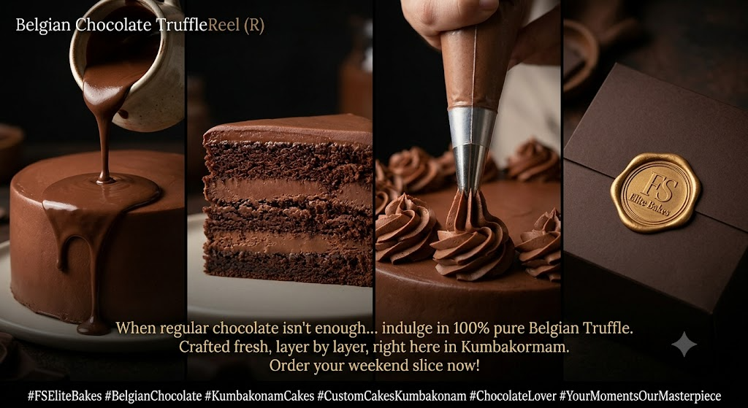 Dark moody lighting, rich warm brown accents, slow-motion drips, luxury aesthetic finish. | Life is short, make it sweet! 🍫 Indulge in our signature Belgian Chocolate Truffle Cake—crafted with rich cocoa and silky ganache. Perfect for celebrations or sweet cravings! #FSEliteBakes #BelgianChocolate #KumbakonamCakes #CustomCakesKumbakonam #ChocolateLover #YourMomentsOurMasterpiece | DM us or click WhatsApp link in bio to order for this weekend!
2026-10-02 | Bento Cakes (Trendy) | Reel (R) | Behind the Scenes / Process | Can a cake fit in your palm AND steal your heart? 🥺✨ | Fast-paced, satisfying ASMR video of decorating 3 popular bento cake designs in under 30 seconds. | Gen-Z, teenagers, college students, couples celebrating mini-anniversaries or monthly milestones. | Scene 1: Opening mini eco-friendly bento box (2s) Scene 2: Quick cuts of smoothing pastel pink & mint frosting (4s) Scene 3: Piping cute Korean-style vintage borders (3s) Scene 4: Writing handwritten mini messages like 'Stay Awesome' & 'Happy 1 Month' (3s) | "Cute, personal, and insanely delicious. Our mini Bento Cakes are designed for your tiny happy moments! Which design is your favorite?" | 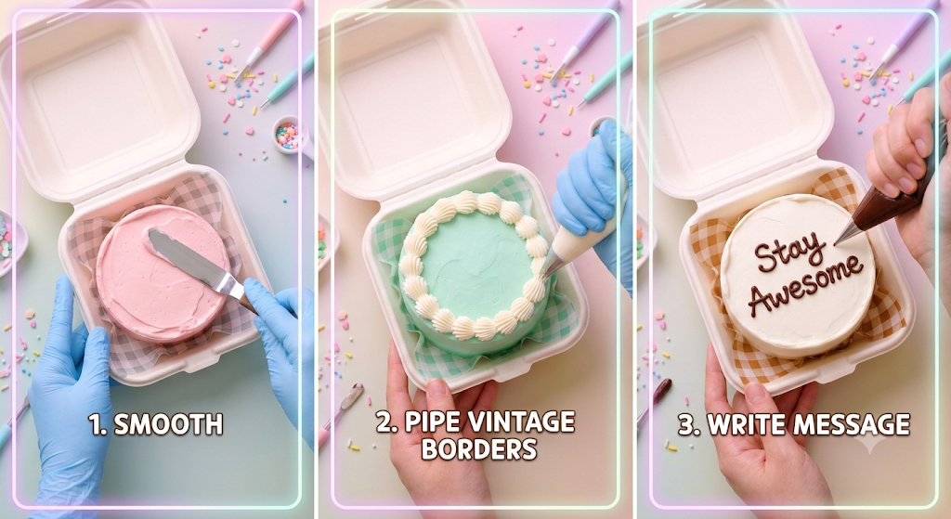 Bright pastel background, high energy pop beat, ASMR icing spatula sounds, clean aesthetic top-down angle. | Mini size, mega taste! 🎂 Say hello to our handcrafted Bento Cakes—the cutest way to celebrate tiny milestones, birthdays, or just because! #BentoCake #KoreanCake #FSEliteBakes #KumbakonamBakery #CuteCakes #TrendingReels | Order your personalized Bento Cake via WhatsApp (Link in Bio)!
2026-10-03 | Custom Wedding Cake | Reel (R) | Behind the Scenes / Craftsmanship | 2026-10-11 | Custom Wedding Cake | Reel (R) | 2026-10-11 | Custom Wedding Cake | 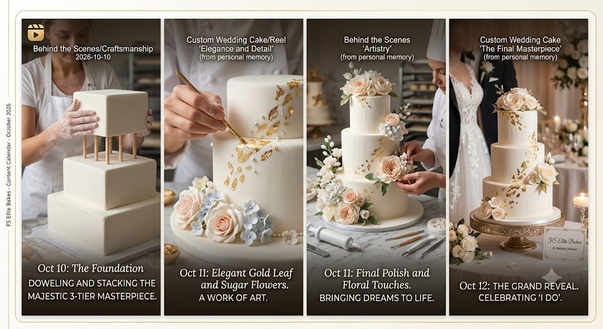 Reel (R) | Behind the Scenes / Craftsmanship | 2026-10-12
2026-10-04 | Nutella Hazelnut & Brownies | Reel (R) | Educational & Myth-Busting | Why do homemade cakes taste 10x better than commercial ones? 🤫 | Educate customers on quality ingredients: real butter vs margarine, fresh cream vs pre-mix, pure Nutella. | Health-conscious buyers, mothers buying for kids, premium dessert connoisseurs. | Scene 1: Side-by-side comparison graphics/shots (3s) Scene 2: Scooping 100% real Nutella and fresh hazelnut roast (3s) Scene 3: Mixing pure butter batter (3s) Scene 4: Taking freshly baked brownies out of the oven steaming (3s) | "No premixes, no artificial preservatives, and zero compromises. At FS Elite Bakes, we use pure butter, real Nutella, and fresh ingredients because your family deserves genuine quality." | 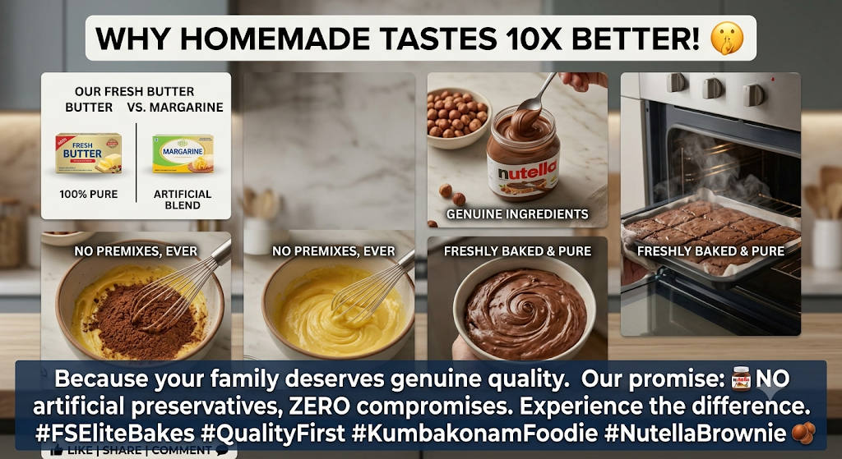 Clean, hygienic kitchen environment, warm lighting, focus on raw fresh ingredients, crisp audio. | Taste the real difference! 🌿 We believe in 100% quality—real butter, premium cocoa, and zero shortcuts. Because fresh homemade goodness can't be faked! #FreshBakes #QualityFirst #FSEliteBakes #NutellaBrownie #CleanBaking #KumbakonamFoodie | Try our freshly baked Nutella Brownie box today! Order now.
2026-10-05 | Custom Cartoon Cake | Reel (R) | Entertainment & Reaction | Creating a superhero cake for 6-year-old Aarav! Watch his reaction 😍🎂 | Emotional/fun story video showing custom cake creation to kid's surprise reaction upon delivery. | Parents, young families planning kids' birthdays, relatives buying gifts. | Scene 1: Mixing bright blue and red creams for Spider-Man theme (3s) Scene 2: Adding 3D edible fondant figures (3s) Scene 3: Handing over the cake box to the family (2s) Scene 4: Kid opening box and jumping with joy (4s) | "Nothing beats the smile on a child's face when they see their favorite hero on their birthday cake! Making birthday dreams come true, one custom cake at a time." | 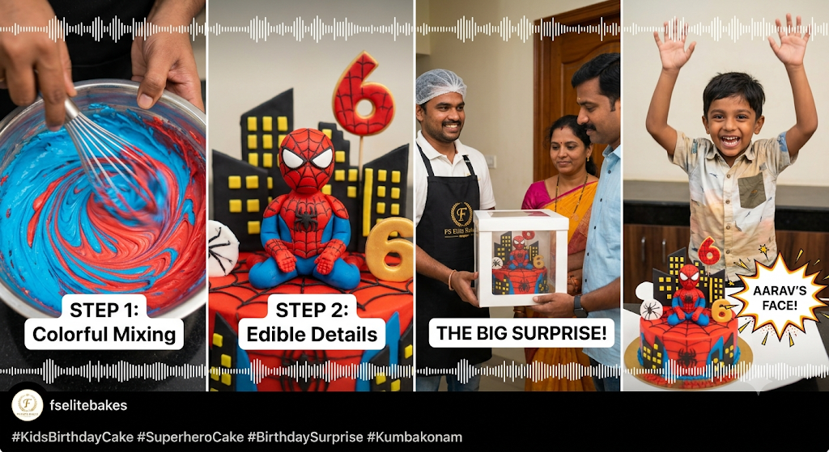 Upbeat joyful acoustic soundtrack, colorful visual aesthetics, candid reaction shots. | Unforgettable birthday moments! 🎉 Bringing Aarav's favorite superhero to life in delicious chocolate cream. Custom kids' cakes designed to perfection! #KidsBirthdayCake #SuperheroCake #CustomCakes #FSEliteBakes #Kumbakonam #BirthdaySurprise | Planning a kid's birthday? Tap WhatsApp link in bio to customize!
2026-10-06 | Lotus Biscoff Cake | Carousel (C) | Product Showcase / Flavor Profile | Swipe to dissect the layers of our Bestselling Lotus Biscoff Cake! 🍪🍰 | 5-Slide Carousel breaking down the texture, crust, spread, and crumb of the Biscoff cake. | Young adults, trendy foodies, dessert enthusiasts in Kumbakonam. | Slide 1: High-res hero photo of full Biscoff Cake Slide 2: Slice breakdown (Biscoff spread, crushed biscuit crust, spiced sponge) Slide 3: Close-up texture shot Slide 4: Customer review highlight slide Slide 5: Price list & sizing guide (500g, 1kg) | N/A (Carousel Post) | 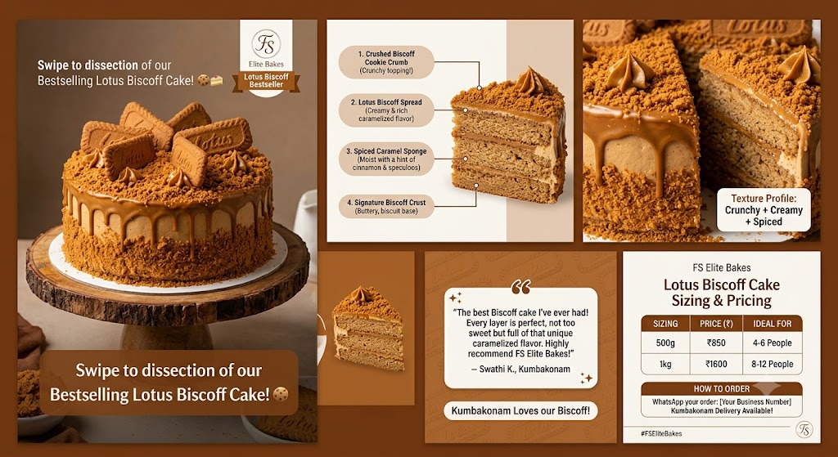 Warm brown and caramel color palette, clean typography cards, sharp crisp photography. | The viral flavor everyone is talking about! 🍂 Crushed Lotus Biscoff cookies layered with caramel sponge and caramelized speculoos cream. Have you tried it yet? #LotusBiscoffCake #BiscoffLover #FSEliteBakes #KumbakonamDesserts #TrendyCakes #CustomBakery | Swipe left to see sizing & order via WhatsApp!
2026-10-07 | Regular vs Premium Range | Carousel (C) | Educational / Guide | How to Pick the Perfect Cake for Your Budget & Occasion 🎂💰 | Comparison guide showing options across Budget (Black Forest), Mid-Range (Red Velvet/Photo), & Premium (Ferrero/Biscoff). | Budget-conscious planners, families, corporate clients needing party options. | Slide 1: Cover Graphic 'Find Your Ideal Cake Type' Slide 2: Regular Category (Classic Black Forest, Pineapple - Fresh & Affordable) Slide 3: Mid-Range Category (Red Velvet, Photo Cakes, Bento) Slide 4: Premium Category (Ferrero Rocher, Tiramisu, Belgian Chocolate) Slide 5: How to Order & Customization Info | N/A (Carousel Post) | 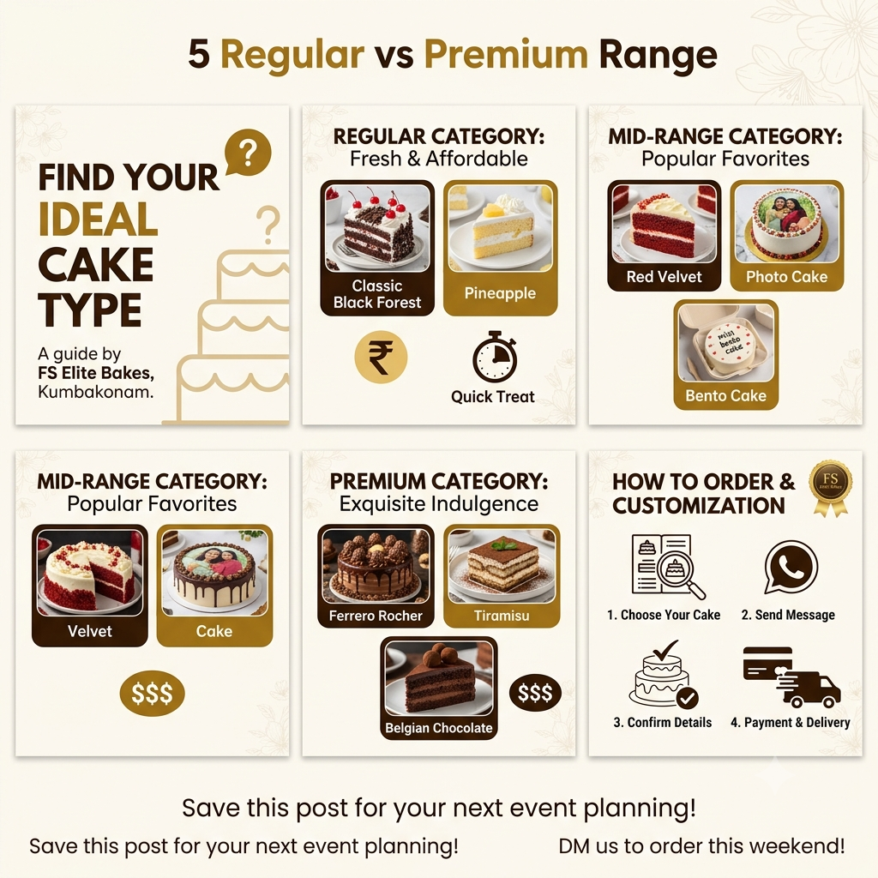 Clean infographic style, side-by-side product cards, clear pricing band indicators. | Whether it's a simple tea-time treat or a lavish anniversary party, we have a cake for every budget! 📊 Check out our complete menu breakdown above. #CakeGuide #KumbakonamCakes #FSEliteBakes #AffordableLuxury #CakeMenu #CustomBaking | Save this post for your next event planning!
2026-10-08 | Vintage Floral Heart Cake | Post (P) | Aesthetic Showcase | Vintage aesthetics meet modern taste 🌸 Elegance in every bite. | Single high-resolution hero post featuring a heart-shaped vintage floral piping cake. | Social-media conscious customers, young women, couples celebrating anniversaries/engagements. | Single Image: Top-angle shot of vintage heart cake with pastel buttercream ruffles, delicate piped roses, and minimalist lettering. | N/A (Single Post) | 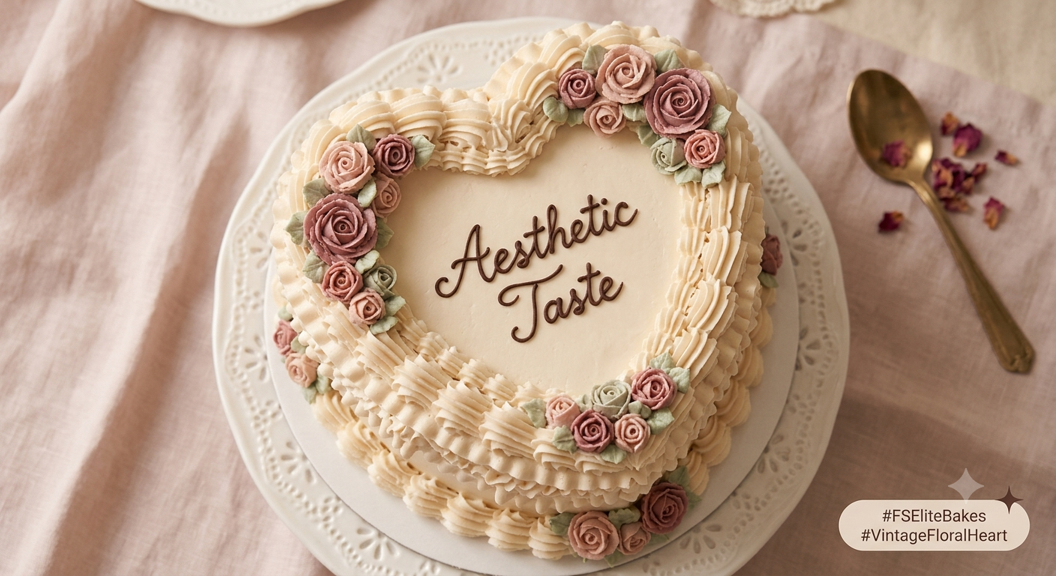 Soft aesthetic lighting, pastel aesthetic background, vintage romantic mood. | Coquette vibes and sweet moments ✨ Our hand-piped Vintage Floral Heart Cakes are the ultimate trendsetter for intimate celebrations! #VintageCake #FloralCake #HeartCake #FSEliteBakes #KumbakonamTrends #AestheticFood | Pre-order 24 hours in advance! Tap link in bio.
2026-10-09 | Pinata & Pull-Me-Up Cakes | Carousel (C) | Interactive / Novelty | Cakes that double as an EXPERIENCE! 🔨💥 | Carousel highlighting fun interactive cake formats: Pinata Hammer Cake & Chocolate Pull-Me-Up Tsunami Cake. | Teenagers, kids, surprise party organizers, trend seekers. | Slide 1: Pinata Cake with wooden hammer Slide 2: Step-by-step photos of smashing the chocolate shell Slide 3: Pull-me-up cake lava chocolate overflow Slide 4: Occasion suitability (Gender reveal, birthdays) Slide 5: Customization options | N/A (Carousel Post) | 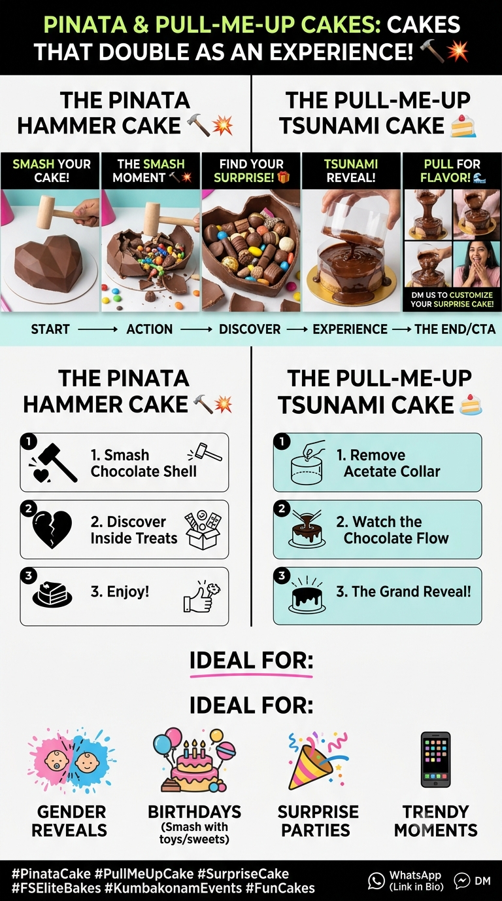 Action-oriented photos, high contrast, fun neon accent overlays, step-by-step visual sequence. | Don't just cut a cake—smash it or pull it! 🔨 Bring maximum fun to your parties with our interactive Pinata and Tsunami cakes. #PinataCake #PullMeUpCake #SurpriseCake #FSEliteBakes #KumbakonamEvents #FunCakes | Send us a DM to customize your surprise cake!
2026-10-10 | Diwali Special Dessert Boxes | Carousel (C) | Promotional / Festive Launch | Pre-Orders Open! 🪔 Festive Cookie Pies, Brokies & Bento Hampers! | Festive product launch carousel showcasing Diwali gifting hampers and fusion bake boxes. | Families, corporate gifters, festival shoppers, people buying gifts in Kumbakonam. | Slide 1: Grand Festive Box flatlay with Diwali diyas Slide 2: Cookie Pie & Brokie closeup Slide 3: Bento Cake + Cupcake combo Slide 4: Custom corporate/bulk packaging options Slide 5: Pricing & Pre-order deadline details | N/A (Carousel Post) | 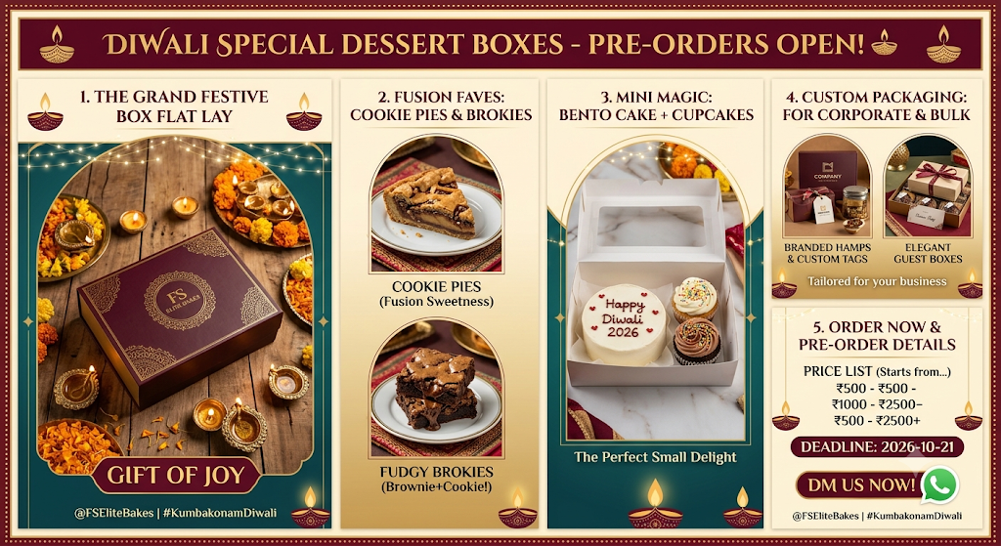 Rich festive warm tones (gold, deep burgundy), sparkling fairy light backgrounds, elegant hamper boxes. | Make this Diwali sweeter with FS Elite Bakes! 🪔 Premium handcrafted gift boxes featuring Cookie Pies, Fudgy Brokies & Customized Bento Cakes. Limited hampers available! #DiwaliGifting #FestiveHampers #FSEliteBakes #KumbakonamDiwali #DiwaliSweets #HandcraftedGoodness | Pre-order early to secure your delivery date! DM us now.
2026-10-11 | Fresh Baking Morning | Story (S) | Behind the Scenes | Good Morning Kumbakonam! ☀️ Fresh sponges out of the oven! | Interactive story showing morning kitchen activity to drive impulse weekend orders. | Daily followers, local Kumbakonam residents looking for weekend desserts. | Video snippet: Warm chocolate cake sponges cooling on racks with steam rising + Interactive Poll Widget ('Team Chocolate' vs 'Team Vanilla'). | N/A (Story Voiceover optional) | 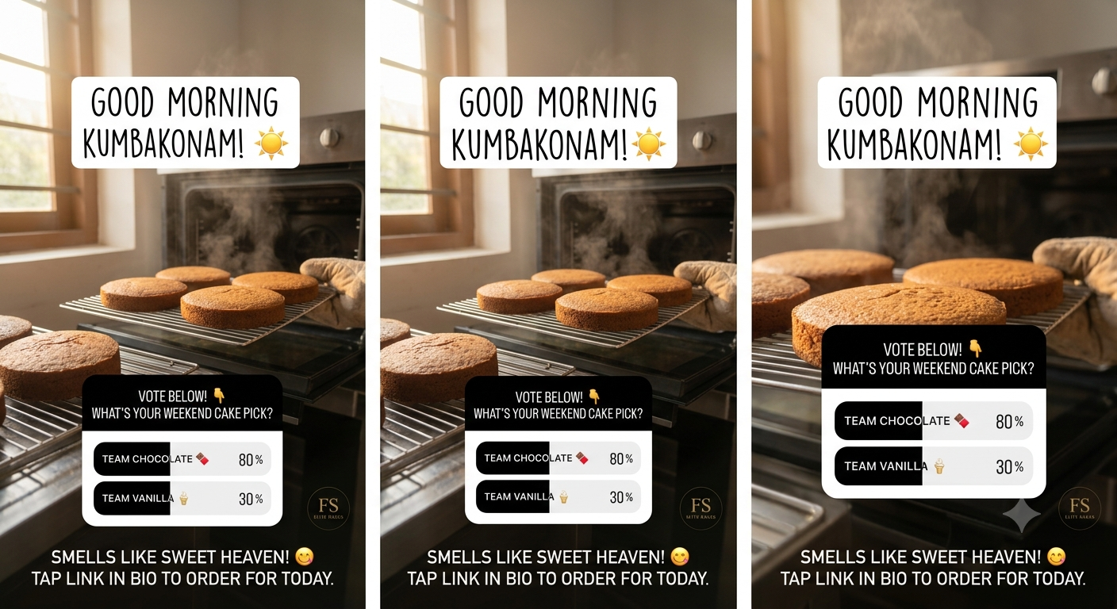 Raw, authentic, warm morning sunlight in kitchen. | Smells like sweet heaven in here! 😋 What's your weekend cake pick? #FreshFromOven #FSEliteBakes | Poll Widget: Vote below! / Tap link to order for today.
2026-10-12 | Customer Feedback Spotlight | Story (S) | Social Proof / UGC | Client Love ❤️ 'The Biscoff cake was the highlight of our party!' | Reposting customer photo and WhatsApp testimonial screenshot to build trust. | Prospective buyers hesitant about quality/delivery reliability. | Graphic Frame: Screenshot of glowing WhatsApp chat overlayed on customer's party photo showing the cake cut. | N/A | 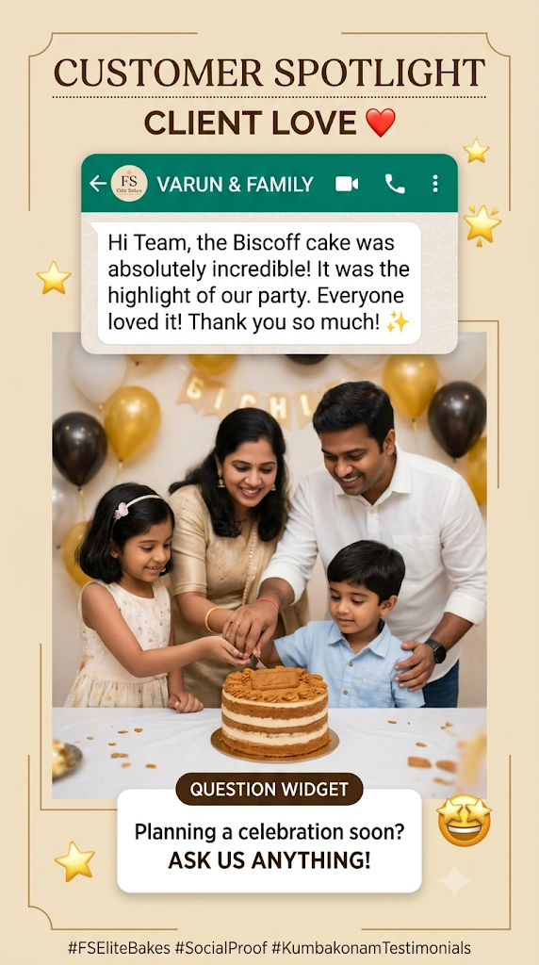 Clean brand frame with gold star emojis and soft beige backdrop. | Thank you so much Varun & family for trusting us with your celebration! 🎉 | Question Widget: 'Planning a celebration soon? Ask us anything!'
2026-10-13 | Trivia / Flavor Quiz | Story (S) | Engagement / Interactive | GUESS THE FLAVOR! 🧐 Can you name this secret cake? | Interactive quiz story engaging followers on cake ingredients and brand knowledge. | Engaged social media audience, teenagers, foodies. | Macro close-up shot of cake texture (Ferrero Rocher hazelnut crunch layer) with Quiz Sticker options: A) Nutella B) Ferrero Rocher C) Belgian Dark D) Snickers. | N/A | 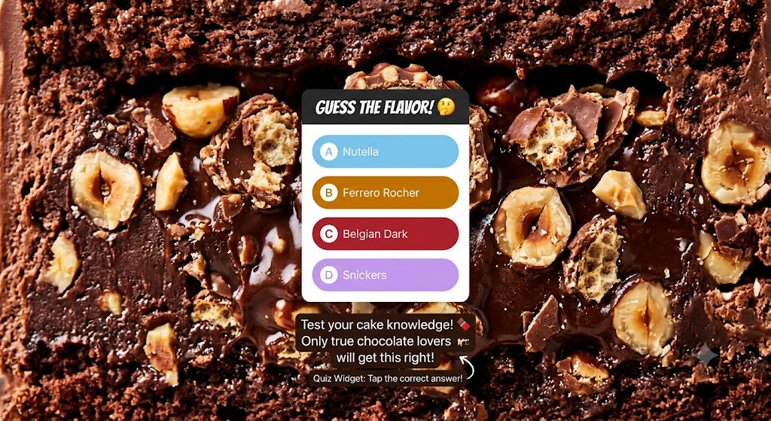 High-contrast extreme closeup photo, bright sticker placement. | Test your cake knowledge! 🍫 Only true chocolate lovers will get this right! | Quiz Widget: Tap the correct answer!
2026-10-14 | Diwali Pre-Order Countdown | Story (S) | Promotional Reminder | LAST 2 DAYS to book your Diwali Gift Boxes! 🪔🎁 | Final call story for festive hamper pre-orders with direct link. | Corporate buyers, families buying festive gifts. | Short video panning across filled Diwali sweet hampers with golden ribbon packaging + Link Sticker. | N/A | 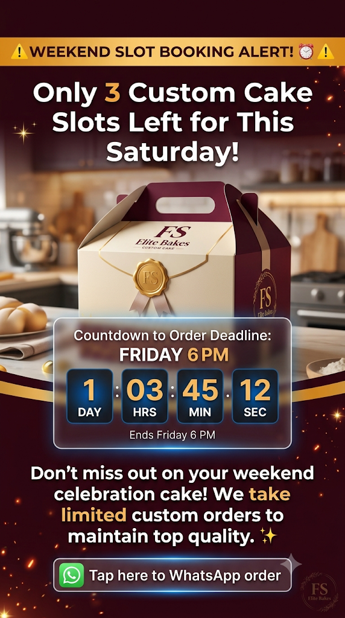 Festive sparkle effect, warm golden background tones. | Ensure your loved ones receive the finest homemade treats this Diwali! Pre-orders close tomorrow night. 📦✨ | Link Sticker: 'Click to Order Diwali Boxes'

2026-10-20 | Weekend Slot Booking Alert | Story (S) | Urgency / Direct Sales | Weekend Slots Closing Soon! ⏰ Only 3 custom cake slots left for Saturday! | Create urgency for weekend cake bookings with countdown timer. | Last-minute event planners, birthday shoppers. | Dynamic graphic showing custom cake box + Countdown Timer widget set to Friday 6 PM. | N/A | Bold amber warning header, clean typography, urgency focus. | Don't miss out on your weekend celebration cake! We take limited custom orders to maintain top quality. ✨ | Countdown Widget + 'Tap here to WhatsApp order'

